content
Tightening torque (linked to SOP-521)

INSTRUCTIONS
This worksheet defines the tightening torque to apply when serrating bolts/studs. It can be applied to BB1, BB3 and BB4 pumps.
Sheet "Example"
It is an example that shows how to chose the parameters to define the tightening torque.
Sheet "Bolt_01"
This calculations are base on formulas derived from litearature.
ref. Fundamentals of Machine Component Design – R.C. Juvinall K.M. Marshek
ref. Le coppie di serraggio per la bulloneria normalizzata – G. Rapisarda

1 | 2025-05-01 | Added washer acceptace criteria | Advanced Mechanical Engineer - L. Francesconi | Client Qualification /HSEM - A. Banfi/ T. Morelli Stefani | R&D Manager - M.Borghetti
0 | 2024-05-20 | First issue | R&D - L. Francesconi | QA/HSEM C.Delli Quadri - M.Tremolada | R&D Manager / M.Borghetti
Rev. | Date | Description | Prepared | Checked | Approved
Mod.497-1

Example
INSTRUCTIONS
1) Compile the input data cells.
2) Select tightening ratio ξ (suggested value 70% )
3) Define the friction coefficients
4) Verify that the criteria are satisfied.
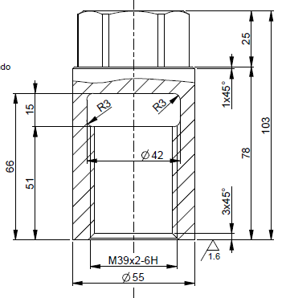
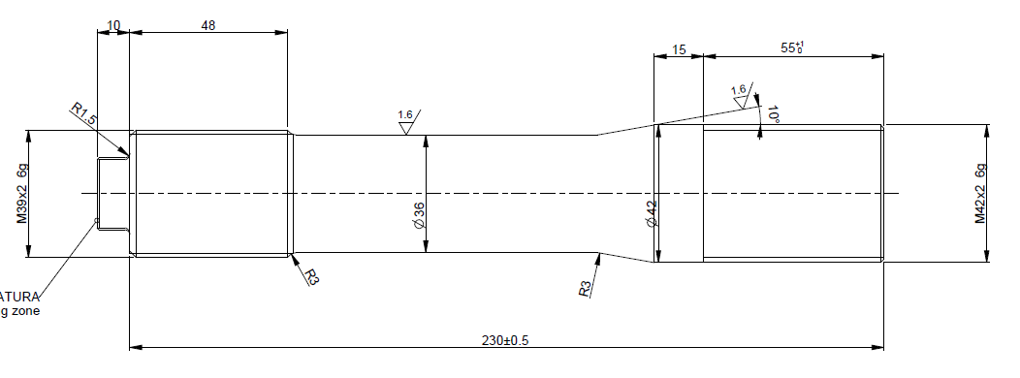
Bolt, nut & washer |  |  |  | Legend |  |  |  | Example
σyb [MPa] | 724.00 | (limit yield stress of bolt) |  | input data
σyw [MPa] | 485.00 | (limit yield stress of washer) |  | descriptor
dn [mm] | 39.00 | (nominal diameter) |  | calculated
p [mm] | 2.00 | (pitch) |  | annotation
dm [mm] | 37.70 | (mean diameter)
droot [mm] | 36.55 | (root diameter) |  | Recommended Friction coefficient
dun [mm] | 36.00 | (unloaded diameter) |  | Lubricant | Material casing | Material bolt | Friction coefficient |  |  |  | t
dr [mm] | 36.00 | (resistant diameter) |  | YES | Carbon Steel | 4140 alloy steel | 0.10
αn [°] | 30.00 | (thread semi-angle) |  | YES | 12% CR | 4140 alloy steel | 0.15*
ξ [-] | 70% | (tightening ratio) |  | YES | 316 AUS | 4140 alloy steel | 0.10*
D [mm] | 41.00 | (hole diameter) |  | YES | Duplex | Duplex | 0.20*
s [mm] | 55.00 | (nut diameter) |  | YES | Duplex | 4140 alloy steel | 0.15*
Rp [mm] | 24.00 | (weighted average radius) |  | YES | Super Duplex | Super Duplex | 0.20
f [-] | 0.10 | (friction coefficient between thread) |  | YES | Super Duplex | 4140 alloy steel | 0.15*
fc [-] | 0.10 | (friction coefficient between planes) |  | NO | increase friction coefficient of 50%
 |  |  |  | PTFE, Teflon coated bolt or galvanized bolt reduce the friction coefficient of 20%
Lead screw
σy,ls [MPa] | 248.00 | (limit yield stress of casing)
dn,ls [mm] | 42.00 | (nominal diameter lead screw)
pls [mm] | 2.00 | (pitch lead screw)
dm,ls [mm] | 40.70 | (mean diameter lead screw)
droot,ls [mm] | 39.55 | (root diameter lead screw)
t [mm] | 55.00 | (lenght lead screw) |  |  |  |  |  |  |  |  |  |  | dn,ls [mm]
t/pls [-] | 27.50 | (maximum number threads in contact) |  |  |  |  |  |  |  | dn [mm] | dun [mm] | t [mm] | pls [mm]
n [-] | 26 | (number threads in contact) |  |  |  |  |  | D [mm] | s [mm] | p [mm]

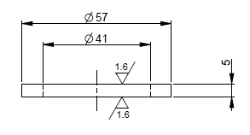
Results
W [N] | 515860 | (tightening force)
T [Nm] | 2525 | (tightening torque)
Wmax,w [N] | 511954 | (maximum allowable force on washer)
Wmax,ls [N] | 736809 | (maximum allowable force on lead screw)

Acceptance criteria
σb/σyb [-] |  | 70.00% | (tightening ratio)
W/Wmax,w [-] |  | 100.76% | (maximum allowable force ratio on washer)
W/Wmax,ls [-] |  | 70.01% | (maximum allowable force ratio on lead screw)

Bolt_01
INSTRUCTIONS
1) Compile the input data cells.
2) Select tightening ratio ξ (suggested value 70% )
3) Define the friction coefficients
4) Verify that the criteria are satisfied.
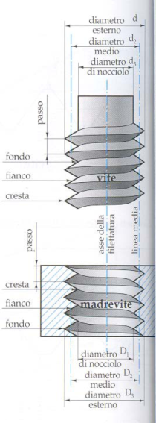
Bolt, nut & washer |  |  |  | Legend
σyb [MPa] | 724.00 | (limit yield stress of bolt) |  | input data
σyw [MPa] | 485.00 | (limit yield stress of washer) |  | descriptor
dn [mm] | 42.00 | (nominal diameter) |  | calculated
p [mm] | 3.00 | (pitch) |  | annotation
dm [mm] | 40.05 | (mean diameter)
droot [mm] | 38.32 | (root diameter) |  | Recommended Friction coefficient
dun [mm] | 39.00 | (unloaded diameter) |  | Lubricant | Material casing | Material bolt | Friction coefficient
dr [mm] | 39.00 | (resistant diameter) |  | YES | Carbon Steel | 4140 alloy steel | 0.10
αn [°] | 30.00 | (thread semi-angle) |  | YES | 12% CR | 4140 alloy steel | 0.15*
ξ [-] | 70% | (tightening ratio) |  | YES | 316 AUS | 4140 alloy steel | 0.10*
D [mm] | 44.00 | (hole diameter) |  | YES | Duplex | Duplex | 0.20*
s [mm] | 60.00 | (nut diameter) |  | YES | Duplex | 4140 alloy steel | 0.15*
Rp [mm] | 26.00 | (weighted average radius) |  | YES | Super Duplex | Super Duplex | 0.20
f [-] | 0.10 | (friction coefficient between thread) |  | YES | Super Duplex | 4140 alloy steel | 0.15*
fc [-] | 0.10 | (friction coefficient between planes) |  | NO | increase friction coefficient of 50%
 |  |  |  | PTFE, Teflon coated bolt or galvanized bolt reduce the friction coefficient of 20%
Lead screw
σy,ls [MPa] | 248.00 | (limit yield stress of casing)
dn,ls [mm] | 42.00 | (nominal diameter lead screw)
pls [mm] | 3.00 | (pitch lead screw)
dm,ls [mm] | 40.05 | (mean diameter lead screw)
droot,ls [mm] | 38.32 | (root diameter lead screw)
t [mm] | 70.00 | (lenght lead screw)
t/pls [-] | 23.33 | (maximum number threads in contact)
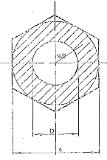
D
s
R_{p}
n [-] | 22 | (number threads in contact)

Results
W [N] | 605419 | (tightening force)
T [Nm] | 3263 | (tightening torque)
Wmax,w [N] | 633848 | (maximum allowable force on washer)
Wmax,ls [N] | 935180 | (maximum allowable force on lead screw)

Acceptance criteria
σb/σyb [-] |  | 70.00% | (tightening ratio)
W/Wmax,w [-] |  | 95.51% | (maximum allowable force ratio on washer)
W/Wmax [-] |  | 64.74% | (maximum allowable force ratio on lead screw)

